ReadMe
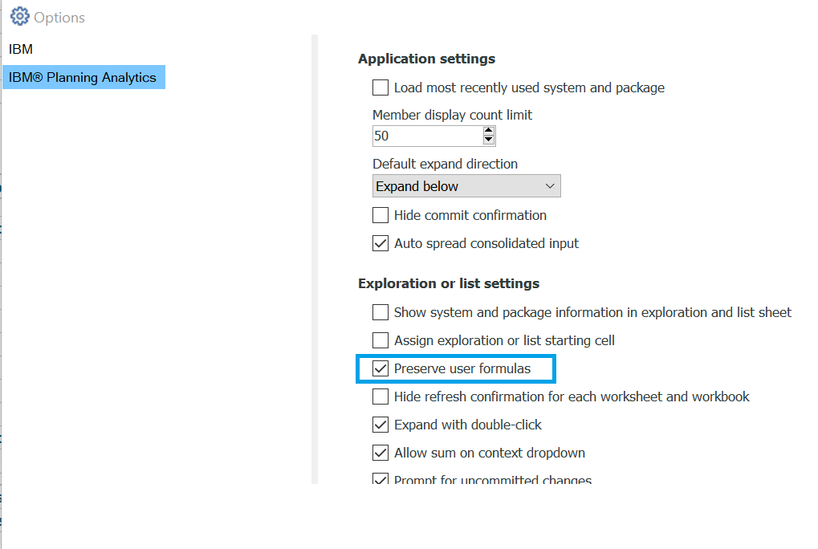
To make the BottomUp worksheet calculate consolidations in the product hierarchy
you need to enable 'Preserve User Formulas' in the Planning Analytics for Excel Settings

